Dashboard
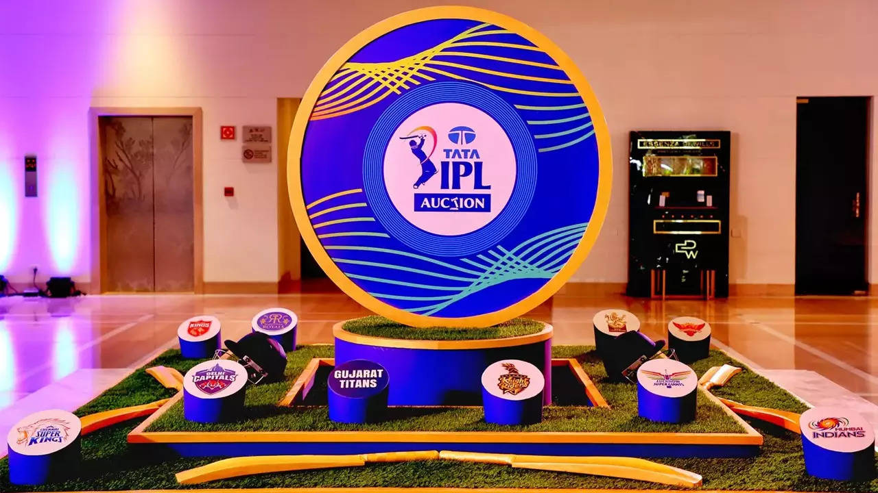
TOTAL AUCTION SPENT
638.85
SPENT ON BATSMAN
194.8
SPENT ON BOWLERS
284.05
SPENT ON ALL-ROUNDER
160.0


TOTAL PLAYER
SOLD PLAYER
RETAINED PLAYER
UNSOLD PLAYER
577
227
46
103

MOST VALUABLE BATSMAN
Rishabh Pant
LSG 27
MOST VALUABLE BOWLER
Yuzvendra Chahal
PBKS 18

Teams with total players
 | Total
CSK | 25
DC | 23
GT | 25
KKR | 21
LSG | 24
MI | 23
PBKS | 25
RCB | 22
RR | 20
SRH | 20

Total teams with expenditure
 | Total
CSK | 10.15%
DC | 9.86%
GT | 10.14%
KKR | 9.13%
LSG | 10.12%
MI | 10.13%
PBKS | 10.12%
RCB | 10.09%
RR | 10.13%
SRH | 10.13%

Total_player
Teams with total players
Row Labels | Count of Players
CSK | 25
DC | 23
GT | 25
KKR | 21
LSG | 24
MI | 23
PBKS | 25
RCB | 22
RR | 20
SRH | 20
Grand Total | 228

team_expenditure
Total teams with expenditure

Row Labels | Sum of Sold
CSK | 10.15%
DC | 9.86%
GT | 10.14%
KKR | 9.13%
LSG | 10.12%
MI | 10.13%
PBKS | 10.12%
RCB | 10.09%
RR | 10.13%
SRH | 10.13%
Grand Total | 100.00%

